Project Assessment
Year | Period | Project/Program | Project Description | NASA Mission Directorate(s) | Organization | Project Phase | Technology | Technology Readiness Level | Performance Area | Severity | Rationale | Classification
 |  |  |  |  |  |  |  |  | Cost | High (Red)
 |  |  |  |  |  |  |  |  | Schedule | Med (Yellow)
 |  |  |  |  |  |  |  |  | Technical | Low (Green)
 |  |  |  |  |  |  |  |  | Programmatic

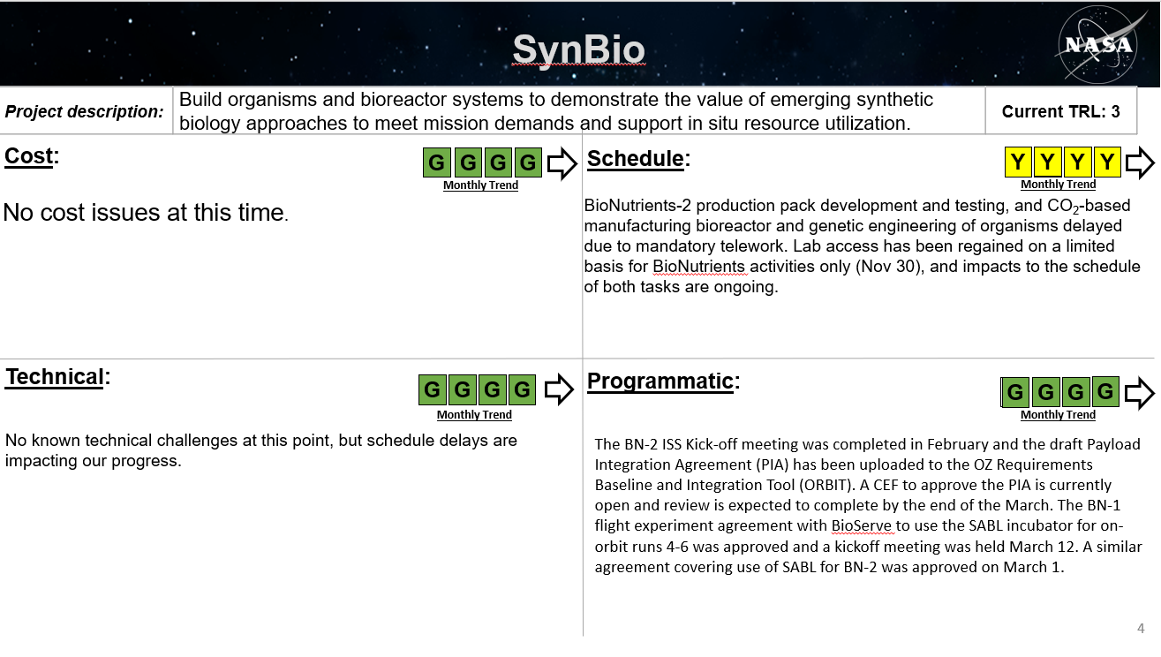

 |  | SynBio Monthly Status Reports
 |  | Syn Bio Mid-Year Review Presentation

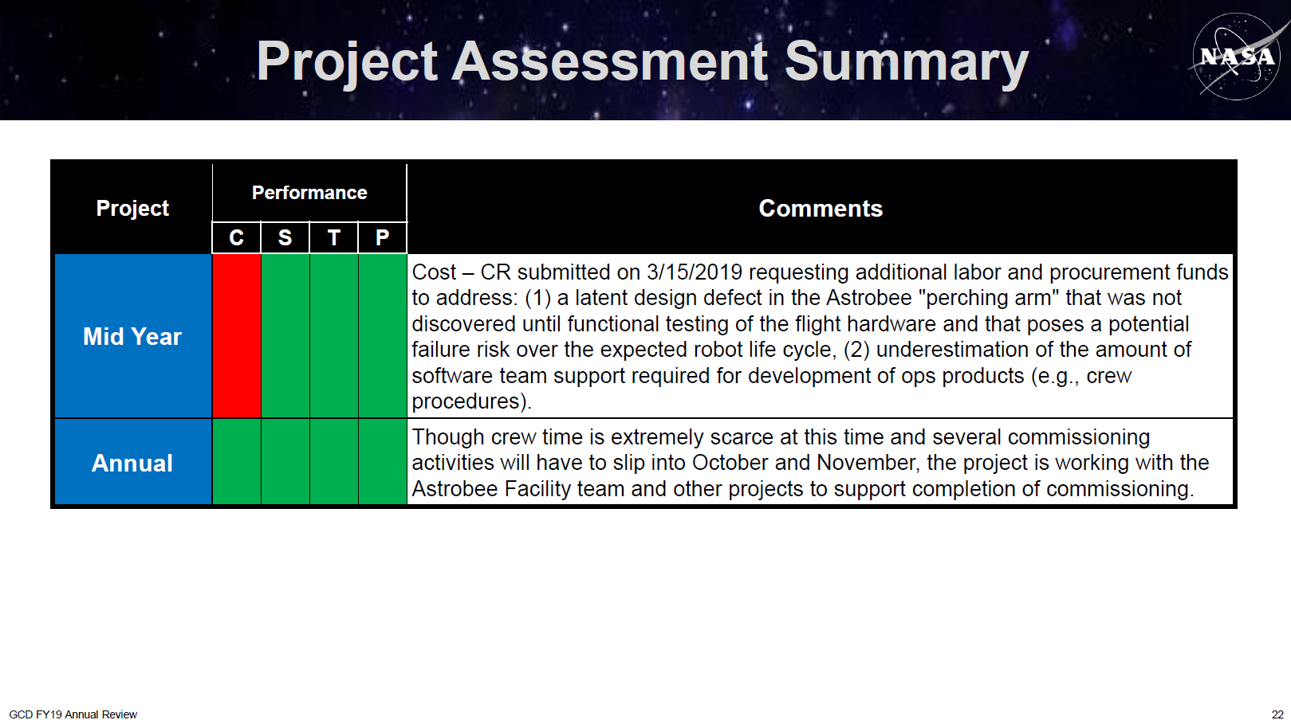

 |  | Astrobee FY19 Annual Review
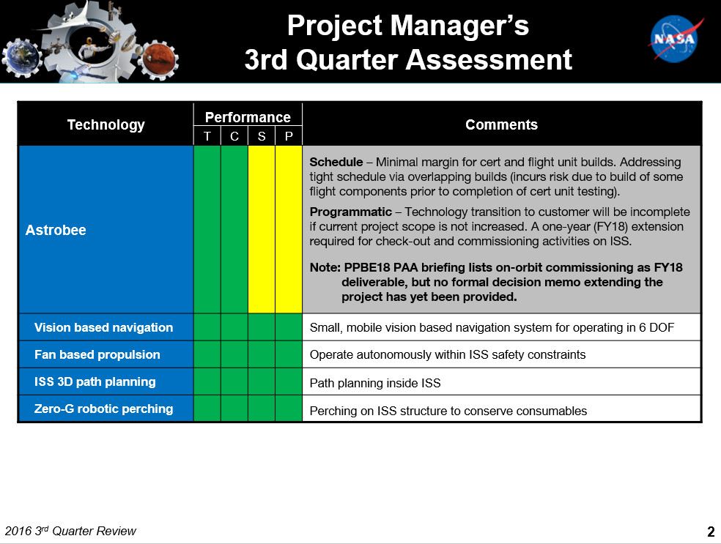

 |  | Atrobee FY16 3rd Quarter Review

Risk Database Source Examples
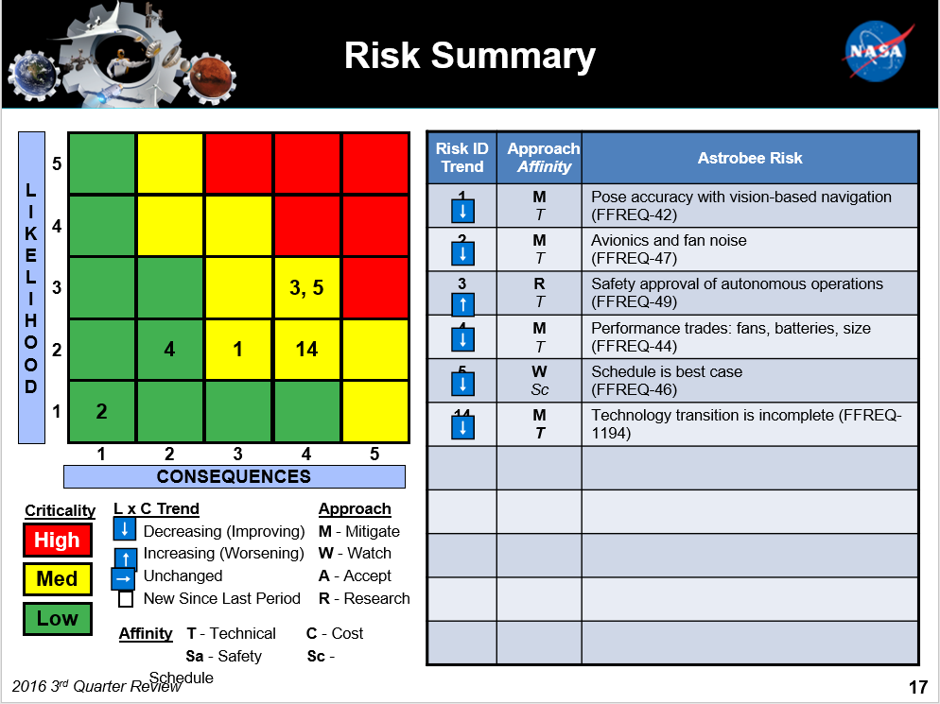
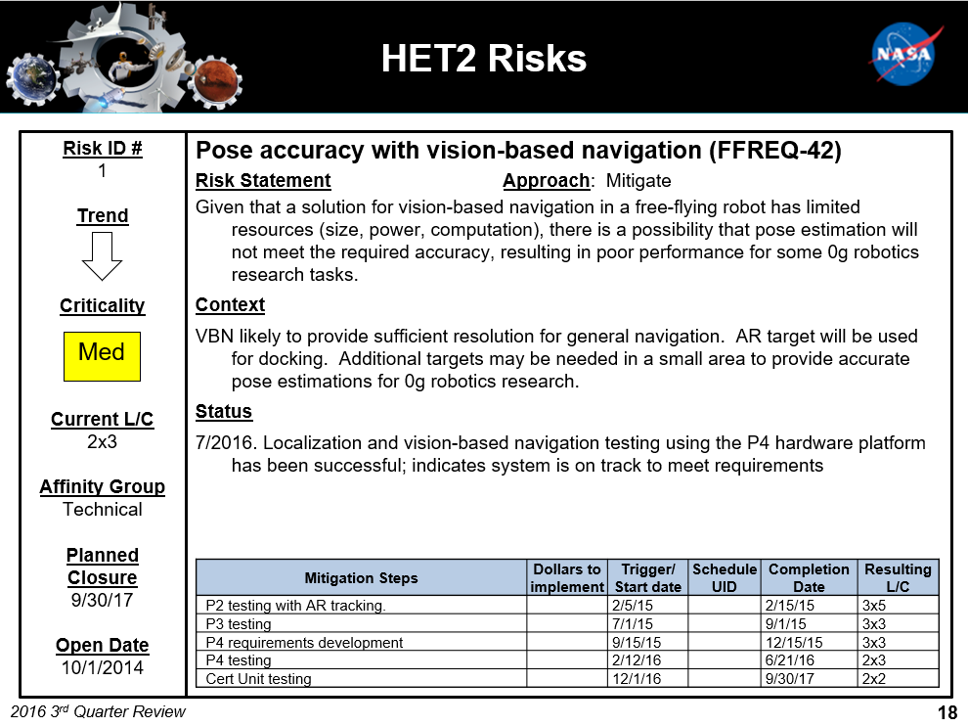

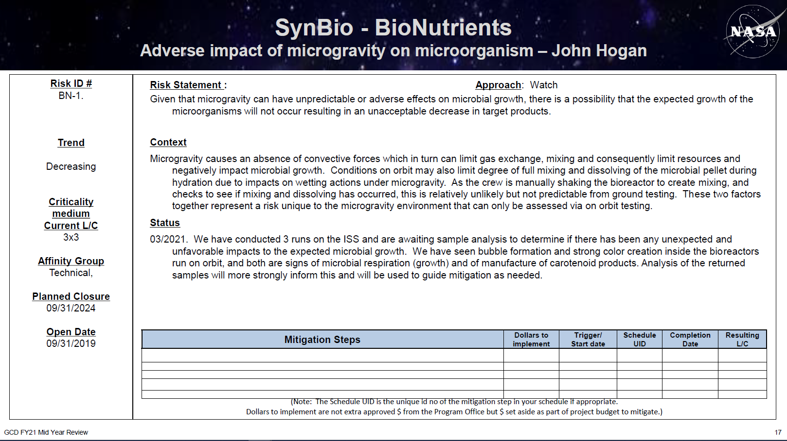
Source: 20160718_HET2_GCD FY16 Q3 Review
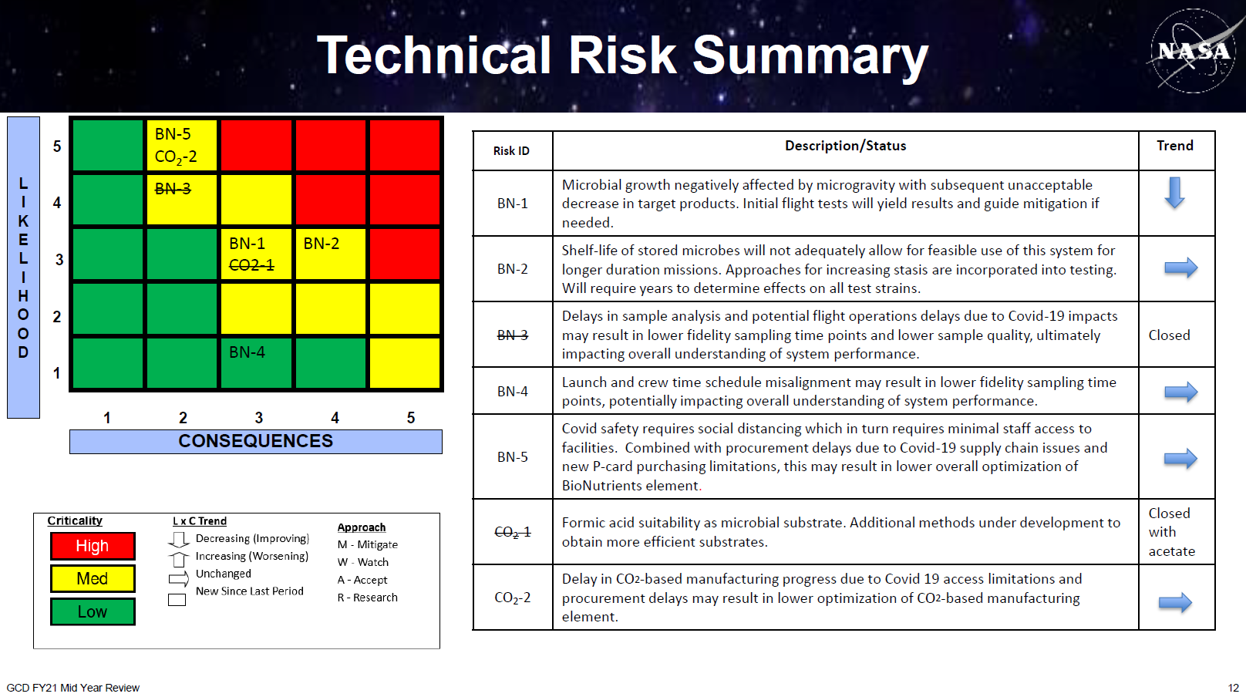

Source: SynBio FY21 Mid-Year Review Presentation

